Calibration for SP
 | SFF and ASCs Calibration for Scan Pattern Simulations
 | Geometry Measurements |  |  | Dimension (mm) | Distortion (mm) | 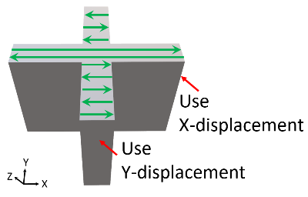 Extract X-displacement in parallel direction (‖) Extract Y-displacement in perpendicular direction (Ʇ)
 |  |  |  | 60
 | ‖ direction |  |  | 59.56 | 0.22
 | Ʇ direction |  |  | 59.72 | 0.14

Linear Elastic | Simulation iteration | Simulation number |  | Dimension (mm) | Distortion (mm) | Simulation settings |  |  | New settings |  |  | Error%
 |  |  |  |  |  | SSF | ASC ‖ | ASC Ʇ | SSF | ASC ‖ | ASC Ʇ
 | 1st |  | ‖ direction | 59.62 | 0.19 | 1 | 1.5 | 0.5 | 1.44 | 1.22 | 0.78 | 13.6%
 |  |  | Ʇ direction | 59.88 | 0.06 |  |  |  |  |  |  | 57.1%
 | 2nd |  | ‖ direction | 59.56 | 0.22 | 1.44 | 1.22 | 0.78 | 1.44 | 1.22 | 0.78 | 0.0%
 |  |  | Ʇ direction | 59.72 | 0.14 |  |  |  |  |  |  | 0.0%

J2 Plasticity | Simulation iteration | Simulation number |  | Dimension (mm) | Distortion (mm) | Simulation settings |  |  | New settings |  |  | Error%
 |  |  |  |  |  | SSF | ASC ‖ | ASC Ʇ | SSF | ASC ‖ | ASC Ʇ
 | 1st |  | ‖ direction | 59.60 | 0.2 | 2 | 1.5 | 0.5 | 2.48 | 1.35 | 0.65 | 9.1%
 |  |  | Ʇ direction | 59.82 | 0.09 |  |  |  |  |  |  | 35.7%
 | 2nd |  | ‖ direction | 59.60 | 0.2 | 2.48 | 1.35 | 0.65 | 3.13 | 1.33 | 0.67 | 9.1%
 |  |  | Ʇ direction | 59.76 | 0.12 |  |  |  |  |  |  | 14.3%
 | 3rd |  | ‖ direction | 59.58 | 0.21 | 3.13 | 1.33 | 0.67 | 3.77 | 1.31 | 0.69 | 4.5%
 |  |  | Ʇ direction | 59.74 | 0.13 |  |  |  |  |  |  | 7.1%
 | 4th |  | ‖ direction | 59.56 | 0.22 | 3.77 | 1.31 | 0.69 | 3.77 | 1.31 | 0.69 | 0.0%
 |  |  | Ʇ direction | 59.72 | 0.14 |  |  |  |  |  |  | 0.0%
 | 5th |  | ‖ direction | 60
 |  |  | Ʇ direction | 60
 | 6th |  | ‖ direction | 60
 |  |  | Ʇ direction | 60
 | 7th |  | ‖ direction | 60
 |  |  | Ʇ direction | 60

