Cover Page
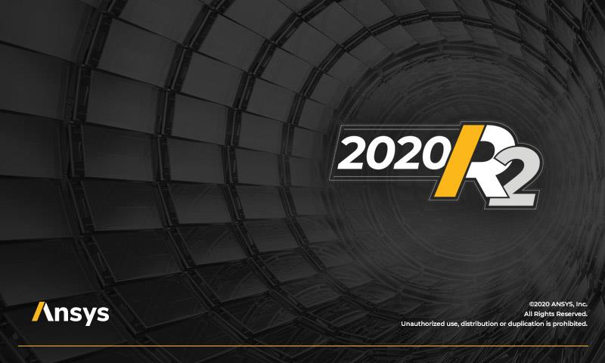

ANSYS Additive Calibration Record

Material:
Machine:
Date of Build:
Date of Measurements:
Performed by:
Notes:

Machine Parameters
Layer Thickness ( (μm)):
Starting Layer Angle (°):
Layer Rotation Angle (°):
Hatch Spacing (μm):
Slicing Stripe Width (mm):
Laser Power (W):
Scan speed (mm/sec):
Base Plate Temperature (K):

Calibration for SP
 | SSF and ASCs Calibration for Scan Pattern Simulations
 | Geometry Measurements |  |  | Distortion (mm)

Extract distortion value at the location of interest from models built with scan patterns 1 and 2 ( ‖ and Ʇ )
(0,0)
(90,0)
 | ‖ direction
 | Ʇ direction

Linear Elastic | Simulation iteration | Simulation number |  | Distortion (mm) | Simulation settings |  |  | New settings |  |  | Error%
 |  |  |  |  | SSF | ASC ‖ | ASC Ʇ | SSF | ASC ‖ | ASC Ʇ
 | 1st |  | ‖ direction |  | 1.00 | 1.50 | 0.50
 |  |  | Ʇ direction
 | 2nd |  | ‖ direction
 |  |  | Ʇ direction
 | 3rd |  | ‖ direction
 |  |  | Ʇ direction

J2 Plasticity | Simulation iteration | Simulation number |  | Distortion (mm) | Simulation settings |  |  | New settings |  |  | Error%
 |  |  |  |  | SSF | ASC ‖ | ASC Ʇ | SSF | ASC ‖ | ASC Ʇ
 | 1st |  | ‖ direction |  | 1.00 | 1.50 | 0.50
 |  |  | Ʇ direction
 | 2nd |  | ‖ direction
 |  |  | Ʇ direction
 | 3rd |  | ‖ direction
 |  |  | Ʇ direction
 | 4th |  | ‖ direction
 |  |  | Ʇ direction
 | 5th |  | ‖ direction
 |  |  | Ʇ direction
 | 6th |  | ‖ direction
 |  |  | Ʇ direction
 | 7th |  | ‖ direction
 |  |  | Ʇ direction

Calibration for TS
 | SSF and ASCs Calibration for Thermal Strain Simulations
 | Geometry Measurements |  |  | Distortion (mm)

Extract distortion value at the location of interest from models built with scan patterns 1 and 2 ( ‖ and Ʇ )
(0,0)
(90,0)
 | ‖ direction
 | Ʇ direction

Linear Elastic | Simulation iteration | Simulation number |  | Distortion (mm) | Simulation settings |  |  | New settings |  |  | Error%
 |  |  |  |  | SSF | ASC ‖ | ASC Ʇ | SSF | ASC ‖ | ASC Ʇ
 | 1st |  | ‖ direction |  | 1 | 1.5 | 0.5
 |  |  | Ʇ direction
 | 2nd |  | ‖ direction
 |  |  | Ʇ direction

J2 Plasticity | Simulation iteration | Simulation number |  | Distortion (mm) | Simulation settings |  |  | New settings |  |  | Error%
 |  |  |  |  | SSF | ASC ‖ | ASC Ʇ | SSF | ASC ‖ | ASC Ʇ
 | 1st |  | ‖ direction |  | 1 | 1.5 | 0.5
 |  |  | Ʇ direction
 | 2nd |  | ‖ direction
 |  |  | Ʇ direction
 | 3rd |  | ‖ direction
 |  |  | Ʇ direction
 | 4th |  | ‖ direction
 |  |  | Ʇ direction
 | 5th |  | ‖ direction
 |  |  | Ʇ direction
 | 6th |  | ‖ direction
 |  |  | Ʇ direction
 | 7th |  | ‖ direction
 |  |  | Ʇ direction

Additional Calibration for SP
 | SSF and ASCs Additional Calibration for Scan Pattern Simulations
 | Geometry Measurements |  |  | Distortion (mm)

Extract distortion value at the location of interest from models built with third scan pattern (rotating stripe)
 | Rotating stripe scan pattern (or user-customized)

Linear Elastic | Simulation iteration | Simulation number | direction | Distortion (mm) | Simulation settings |  |  | New settings |  |  | Error%
 |  |  |  |  | SSF | ASC ‖ | ASC Ʇ | SSF | ASC ‖ | ASC Ʇ
 | 1st |  | rotating

 | 2nd |  | rotating

J2 Plasticity | Simulation iteration | Simulation number | direction | Distortion (mm) | Simulation settings |  |  | New settings |  |  | Error%
 |  |  |  |  | SSF | ASC ‖ | ASC Ʇ | SSF | ASC ‖ | ASC Ʇ
 | 1st |  | rotating

 | 2nd |  | rotating

 | 3rd |  | rotating

 | 4th |  | rotating

 | 5th |  | rotating

 | 6th |  | rotating

 | 7th |  | rotating

Additional Calibration for TS
 | SSF and ASCs Additional Calibration for Thermal Strain Simulations
 | Geometry Measurements |  |  | Distortion (mm)

Extract distortion value at the location of interest from models built with third scan pattern (rotating stripe)
 | Rotating stripe scan pattern (or user-customized)

Linear Elastic | Simulation iteration | Simulation number | direciton | Distortion (mm) | Simulation settings |  |  | New settings |  |  | Error%
 |  |  |  |  | SSF | ASC ‖ | ASC Ʇ | SSF | ASC ‖ | ASC Ʇ
 | 1st |  | rotating

 | 2nd |  | rotating

J2 Plasticity | Simulation iteration | Simulation number | direction | Distortion (mm) | Simulation settings |  |  | New settings |  |  | Error%
 |  |  |  |  | SSF | ASC ‖ | ASC Ʇ | SSF | ASC ‖ | ASC Ʇ
 | 1st |  | rotating

 | 2nd |  | rotating

 | 3rd |  | rotating

 | 4th |  | rotating

 | 5th |  | rotating

 | 6th |  | rotating

 | 7th |  | rotating

