Cover Page
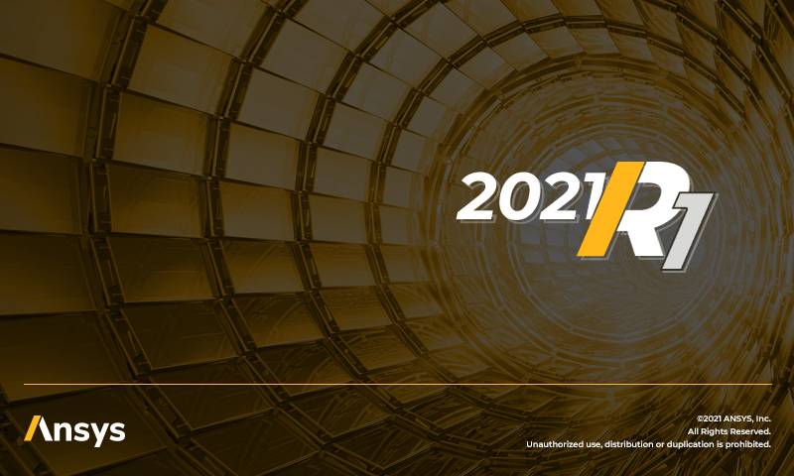

ANSYS Additive Calibration Record

Material:
Machine:
Calibration Geometry:
Date of Build:
Measurement Method:
Date of Measurements:
Performed by:
Notes:

Machine Parameters
Base Plate Temperature (°C):
Layer Thickness (μm):
Starting Layer Angle (°):
Layer Rotation Angle (°):
Hatch Spacing (μm):
Slicing Stripe Width (mm):
Laser Beam Diameter (μm)
Laser Power (W):
Scan speed (mm/s):

Simulation Parameters
Voxel Size (mm)
Distortion Type | On-Plate
Notes

Calibration for AS
Extract distortion value at the location of interest from models built with third scan pattern (rotating stripe)
 | SSF Calibration for Assumed Strain Simulations
 |  |  | Distortion (mm)
 | Geometry Nominal
 | Measurement

Linear Elastic | Simulation iteration | Simulation number | Distortion (mm) | Simulation settings | New settings | Error%
 |  |  |  | SSF | SSF
 | 1st |  |  | 1.000
 | 2nd
 | 3rd

J2 Plasticity | Simulation iteration | Simulation number | Distortion (mm) | Simulation settings | New settings | Error%
 |  |  |  | SSF | SSF
 | 1st |  |  | 1.000
 | 2nd
 | 3rd
 | 4th
 | 5th
 | 6th
 | 7th

Calibration for SP
 | SSF and ASCs Calibration for Scan Pattern Simulations
 | Geometry Measurements |  |  | Distortion (mm)

Extract distortion value at the location of interest from models built with scan patterns (0, 0) and (90, 0) ( ‖ and Ʇ )
 | ‖ direction
 | Ʇ direction

Linear Elastic | Simulation iteration | Simulation number |  | Distortion (mm) | Simulation settings |  |  | New settings |  |  | Error%
 |  |  |  |  | SSF | ASC ‖ | ASC Ʇ | SSF | ASC ‖ | ASC Ʇ
 | 1st |  | ‖ direction |  | 1.000 | 1.500 | 0.500
 |  |  | Ʇ direction
 | 2nd |  | ‖ direction
 |  |  | Ʇ direction
 | 3rd |  | ‖ direction
 |  |  | Ʇ direction

J2 Plasticity | Simulation iteration | Simulation number |  | Distortion (mm) | Simulation settings |  |  | New settings |  |  | Error%
 |  |  |  |  | SSF | ASC ‖ | ASC Ʇ | SSF | ASC ‖ | ASC Ʇ
 | 1st |  | ‖ direction |  | 1.000 | 1.500 | 0.500
 |  |  | Ʇ direction
 | 2nd |  | ‖ direction
 |  |  | Ʇ direction
 | 3rd |  | ‖ direction
 |  |  | Ʇ direction
 | 4th |  | ‖ direction
 |  |  | Ʇ direction
 | 5th |  | ‖ direction
 |  |  | Ʇ direction
 | 6th |  | ‖ direction
 |  |  | Ʇ direction
 | 7th |  | ‖ direction
 |  |  | Ʇ direction

Fine tune for SP
 | SSF and ASCs Additional Calibration for Scan Pattern Simulations
 | Geometry Measurements |  |  | Distortion (mm)

Extract distortion value at the location of interest from models built with third scan pattern (rotating stripe)
 | Rotating stripe scan pattern (or user-customized)

Linear Elastic | Simulation iteration | Simulation number | direction | Distortion (mm) | Simulation settings |  |  | New settings |  |  | Error%
 |  |  |  |  | SSF | ASC ‖ | ASC Ʇ | SSF | ASC ‖ | ASC Ʇ
 | 1st |  | rotating

 | 2nd |  | rotating

 | 3rd |  | rotating

J2 Plasticity | Simulation iteration | Simulation number | direction | Distortion (mm) | Simulation settings |  |  | New settings |  |  | Error%
 |  |  |  |  | SSF | ASC ‖ | ASC Ʇ | SSF | ASC ‖ | ASC Ʇ
 | 1st |  | rotating

 | 2nd |  | rotating

 | 3rd |  | rotating

 | 4th |  | rotating

 | 5th |  | rotating

 | 6th |  | rotating

 | 7th |  | rotating

Calibration for TS
 | SSF and ASCs Calibration for Thermal Strain Simulations
 | Geometry Measurements |  |  | Distortion (mm)

Extract distortion value at the location of interest from models built with scan patterns (0, 0) and (90, 0) ( ‖ and Ʇ )
 | ‖ direction
 | Ʇ direction

Linear Elastic | Simulation iteration | Simulation number |  | Distortion (mm) | Simulation settings |  |  | New settings |  |  | Error%
 |  |  |  |  | SSF | ASC ‖ | ASC Ʇ | SSF | ASC ‖ | ASC Ʇ
 | 1st |  | ‖ direction |  | 1.000 | 1.500 | 0.500
 |  |  | Ʇ direction
 | 2nd |  | ‖ direction
 |  |  | Ʇ direction
 | 3rd |  | ‖ direction
 |  |  | Ʇ direction

J2 Plasticity | Simulation iteration | Simulation number |  | Distortion (mm) | Simulation settings |  |  | New settings |  |  | Error%
 |  |  |  |  | SSF | ASC ‖ | ASC Ʇ | SSF | ASC ‖ | ASC Ʇ
 | 1st |  | ‖ direction |  | 1.000 | 1.500 | 0.500
 |  |  | Ʇ direction
 | 2nd |  | ‖ direction
 |  |  | Ʇ direction
 | 3rd |  | ‖ direction
 |  |  | Ʇ direction
 | 4th |  | ‖ direction
 |  |  | Ʇ direction
 | 5th |  | ‖ direction
 |  |  | Ʇ direction
 | 6th |  | ‖ direction
 |  |  | Ʇ direction
 | 7th |  | ‖ direction
 |  |  | Ʇ direction

Fine tune for TS
 | SSF and ASCs Additional Calibration for Thermal Strain Simulations
 | Geometry Measurements |  |  | Distortion (mm)

Extract distortion value at the location of interest from models built with third scan pattern (rotating stripe)
 | Rotating stripe scan pattern (or user-customized)

Linear Elastic | Simulation iteration | Simulation number | direciton | Distortion (mm) | Simulation settings |  |  | New settings |  |  | Error%
 |  |  |  |  | SSF | ASC ‖ | ASC Ʇ | SSF | ASC ‖ | ASC Ʇ
 | 1st |  | rotating

 | 2nd |  | rotating

 | 3rd |  | rotating

J2 Plasticity | Simulation iteration | Simulation number | direction | Distortion (mm) | Simulation settings |  |  | New settings |  |  | Error%
 |  |  |  |  | SSF | ASC ‖ | ASC Ʇ | SSF | ASC ‖ | ASC Ʇ
 | 1st |  | rotating

 | 2nd |  | rotating

 | 3rd |  | rotating

 | 4th |  | rotating

 | 5th |  | rotating

 | 6th |  | rotating

 | 7th |  | rotating

